Skeleton
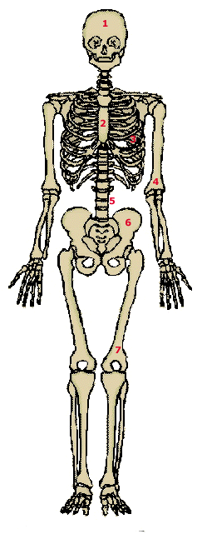
 | The Skeleton
Vocabulary |  |  | Name | Check
ribs |  | 1 | skull | J
pelvis |  | 2
spine |  | 3
skull |  | 4
sternum |  | 5
humerus |  | 6
femur |  | 7

Copy and Paste from Column A
to Column E or simply write in the term. I happy face will show in the check column if you are right.

